1. Title Page
Instacart Grocery Basket Analysis

Project Name: Instacart Basket Analysis
Date: March 21, 2023
Analyst Name: Lindsey Young

Contents:
Population Flow
Consistency checks
Wrangling steps
Column derivations
Visualizations
Recommendations

Data Citation:
“The Instacart Online Grocery Shopping Dataset 2017”, Accessed from https://www.instacart.com/datasets/grocery-shopping-2017 on [date].
Customer and Prices data are fabricated values for the purposes of the project.

2. Population Flow
Title page

Population flow

Exclusion flag
Condition: max_order < 5
Obervations to be removed: Customers' PII information (first name & last name)
Final total count of order_products_all: 32404859
32434489
206209
3421083
49693

206209
3421083
32434489
49672

Orders_products_combined
Orders_products_merged
Orders_products_all

Total:
Total:
32404859
32404859
Total:
32404859

1.) The grey boxes in the first row of the population flow represent the original data sets as they were when you downloaded them. In the Total fields you need to add the count of the rows when you imported the data set into Jupyter.
2.) The second row of boxes (coloured) represents the data sets after you manipulated them, e.g., removed missing values and duplicates. In the Total fields you need to add the count of the rows after conducting these operations. This offers a visual oveview of how the data flows throughout the data consistency checks.
3.) The third row, where also the arrows are coloured, represents the merges you performed between the datasets. In the Total fields you need to add the count of the rows in the merged datasets, so that you end up with the final dataset (in the red box). Keep in mind the final dataset should be without exclusions (based on the exclusion flag).

3. Consistency checks
 |  |  |  | Title page
Consistency checks

Dataset | Missing values | Missing values treatment | Duplicates
orders | 206209 missing values in days_since_prior_order | A (-1) value was inputted within the missing values to account for customers with first time orders. | No duplicates

products | 16 missing values in product_name | Filtered out the missing values by creating a subset | 5 duplicates were deleted

customers | 11259 missing values in First Name column | N/A | No duplicates

4. Wrangling steps
 |  |  |  |  | Title page
Wrangling steps

Dataset | Columns dropped | Columns renamed | Columns' type changed | Comment/Reason
Orders |  | "order_dow" has been renamed to "order_days_of_week" |  | To increase the clarity of the name
 |  | "order_days_of_week" has been renamed to "order_day_of_week" |  | To show the exact day the order was placed instead of days

 | No columns dropped
 |  |  | order_id was changed to 'str'
 |  |  | user_id was changed to 'str'

Dataset | Columns dropped | Columns renamed | Columns' type changed | Comment/Reason
Products

 | No columns dropped | No columns were renamed | No column type changed

Dataset | Columns dropped | Columns renamed | Columns' type changed | Comment/Reason
Customers |  | "Surnam" column renamed "last_name" |  | To keep the name consistent with other column title formats
 |  | "STATE" column renamed to "state" |  | To keep the name consistent with other column title formats
 |  | "First Name" columen renamed "first_name" |  | To keep the name consistent with other column title formats
 |  | "Age" column renamed "age" |  | To keep the name consistent with other column title formats
 |  | "Gender" column renamed "gender" |  | To keep the name consistent with other column title formats
 |  | "n_dependants" column renamed "number_of_dependants" |  | To keep the name consistent with other column title formats
 | No columns dropped | "fam_status" column renamed "marital_status" | No column type changed | To keep the name consistent with other column title formats

5. Column derivations
 |  |  |  | Title page

Column derivations and aggregations

In this tab you should add tables below that the frequences of flags/label variables that you produced after deriving them. NB: don't do this for continuous variables, only for flags.
Dataset | New column | Column/s it was derived from | Conditions
df_ords_prods_merged2 | price_range | prices | <=5: "Low-range product"
 |  |  | >5 & <=15:"Mid-range product"
 |  |  | >15: "High-range product"
 | busiest_day | order_day_of_week | 0 : "Busiest day"
 |  |  | 4: "Least busy"
 |  |  | Else: "Regularly busy"
 | Busiest Days | order_day_of_week | 0, 1: "Busiest days"
 |  |  | 3, 4: "Least busy days"
 |  |  | Else: "Regularly busy days"
 | busiest_period_of_day | order_hour_of_day | 10, 11, 14, 15, 13, 12, 16, 9: "Most orders placed"
 |  |  | 17, 8, 18, 19, 20,7, 21, 22: "Average orders placed"
 |  |  | Else: "Fewest orders placed"
df_ords_prods_merged2 | loyalty flag | max_order | >40: "Loyal customer"
 |  |  | < = 40 & > 10:"Regular customer"
 |  |  | < = 10: "New customer"
 | spending_flag | avg_price | > 10: "Low spender"
 |  |  | < = 10: "High spender"

 | frequency_flag | median_frequency | >20: "Non-frequent customer"
 |  |  | < = 40 & > =20:"Regular customer"
 |  |  | >15: "High-range product"
orders_products_all | region | state | Northeast: 'Maine','New Hampshire', 'Vermont', 'Massachusetts', 'Rhode Island', 'Connecticut', 'New York', 'Pennsylvania', 'New Jersey'
 |  |  | Midwest: 'Wisconsin', 'Michigan', 'Illinois', 'Indiana', 'Ohio', 'North Dakota', 'South Dakota', 'Nebraska', 'Kansas','Minnesota', 'Iowa', 'Missouri'
 |  |  | South: Delaware', 'Maryland', 'District of Columbia', 'Virginia', 'West Virginia', 'North Carolina', 'South Carolina', 'Georgia', 'Florida','Mississippi', 'Alabama', 'Oklahoma', 'Texas','Arkansas','Kentucky', 'Tennessee', 'Louisiana'
 |  |  | West: 'Idaho', 'Montana', 'Wyoming', 'Nevada', 'Utah', 'Colorado', 'Arizona', 'New Mexico', 'Alaska', 'Washington', 'Oregon', 'California', 'Hawaii'
 | activity_flag | max_order | <5: 'Low-activity customer'
 |  |  | >=5: 'High-activity customer'
 | age_group | age | <=39: 'Young Adult'
 |  |  | <=64: 'Middle-Aged'
 |  |  | >=65: 'Senior'
 | income_level | income | <52200: 'Lower'
 |  |  | >=52200: 'Middle'
 |  |  | >156600: 'Upper'
 | family_size | number_of_dependants | 0: 'Small'
 |  |  | 1 & 2: 'Mid-Sized'
 |  |  | 3: 'Large'
 | household | marital_status & number_of_dependants | marital_status = divorced/widowed & number_of_dependants >=1: 'Single Parent'
 |  |  | marital_status = married & number_of_dependents =1: 'Couple w/o Children'
 |  |  | marital_status= married & number_of_dependents >1: 'Couple w/ Children'
 |  |  | marital_status = living w/ parents and siblings & number_of_dependants = 0: 'Other'
 |  |  | martial_status = divorced/widowed & marital_status = single: 'Lives Alone'
 | pet_owner | department | ='pets' : 'Yes'
 |  |  | !='pets' : 'No'
 | alcohol_drinker | department | ='alcohol': 'Yes'
 |  |  | !='alcohol': 'No'
 | has_a_baby | department | ='babies': 'Yes'
 |  |  | !=babies: 'No'
 | vegetarian | department | !=12|20: 'Yes'
 |  |  | else: 'No'

6. Visualizations
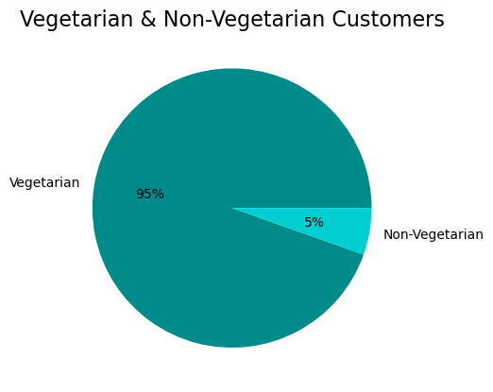
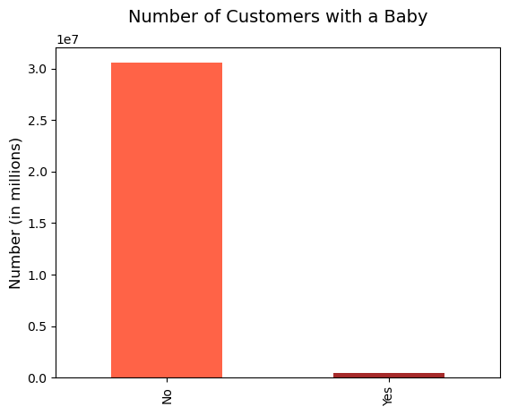
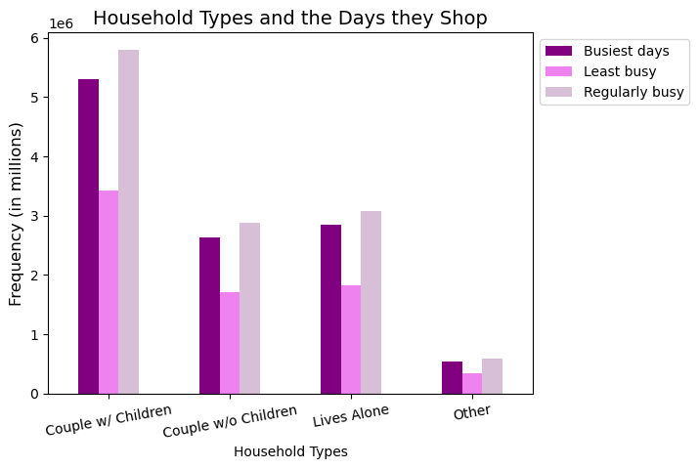
 |  |  | Title page

Visualisations

In this tab you should include all the visualizations from Exercises 4.9 and 4.10, alongside the questions from the project brief that they answer. Include any commentary on the relationship between different variables.

Question # 1
The sales team needs to know what the busiest days of the week and hours of the day are (i.e., the days and times with the most orders) in order to schedule ads at times when there are fewer orders.

Answer: The busiest days of the week are Saturday, Sunday, and Friday with the busiest hours of the day being between 10am-3pm. After this time of day, the frequency of orders drops significantly throughout the night and into the early morning.
Note: The hours of the day are represented by numeric values with 0=Saturday, 1=Sunday, 2=Monday, 3=Tuesday, 4=Wednesday, 5=Thursday, 6=Friday

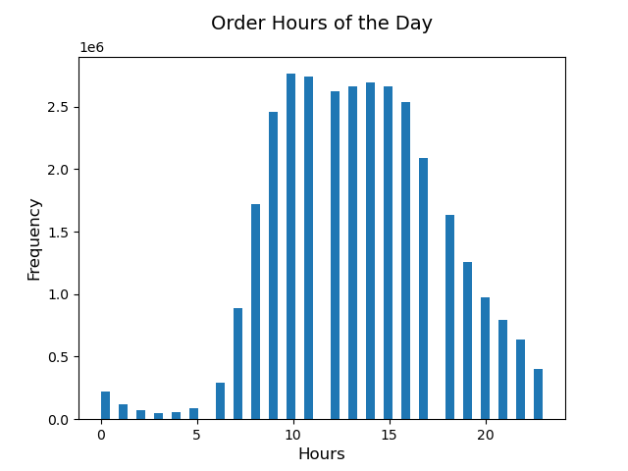
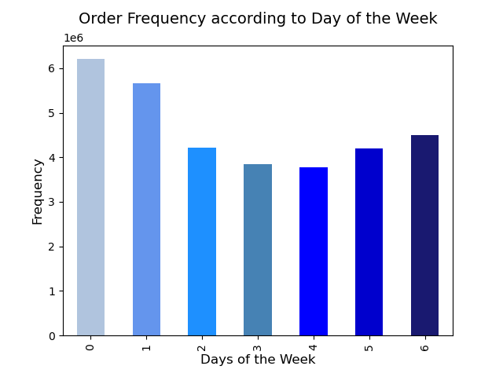

Question #2
They also want to know whether there are particular times of the day when people spend the most money, as this might inform the type of products they advertise at these times.

Answer: Customers tend to spend the most money during the regular hours of the day from 9am to 5pm, with a peak between 10am and 3pm.
 | To better understand customer behavior, purchasing times were divided into 3 categories. They are as follows: Regular: 9:00-17:00 Night Owl: 18:00-5:00 Early Bird: 5:00-8:00
 |  | ●As we can see from the chart on the far right, those individuals who placed an order during "Regular" hours make up a large majority of orders placed throughout the entire day.
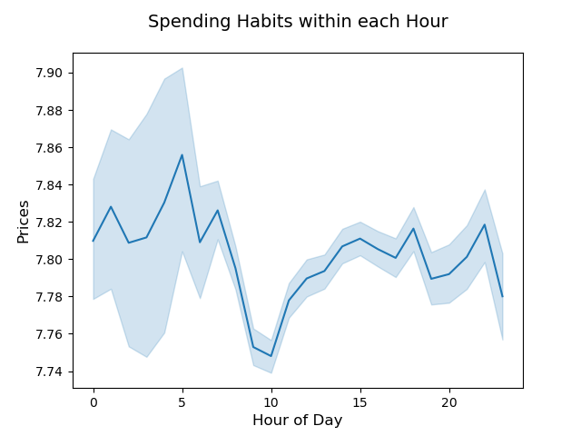
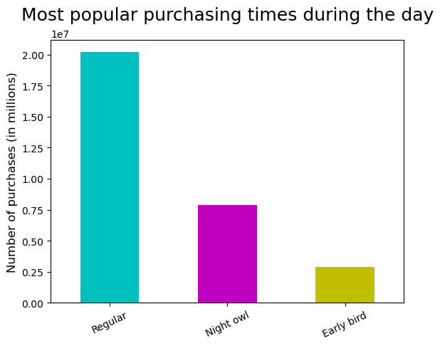

Question #3
Instacart has a lot of products with different price tags. Marketing and sales want to use simpler price range groupings to help direct their efforts.

Answer: Products can be grouped as 'Low-range', 'Mid-range', and 'High-range' according to their prices to make them easier and more simple to sort and evaluate.

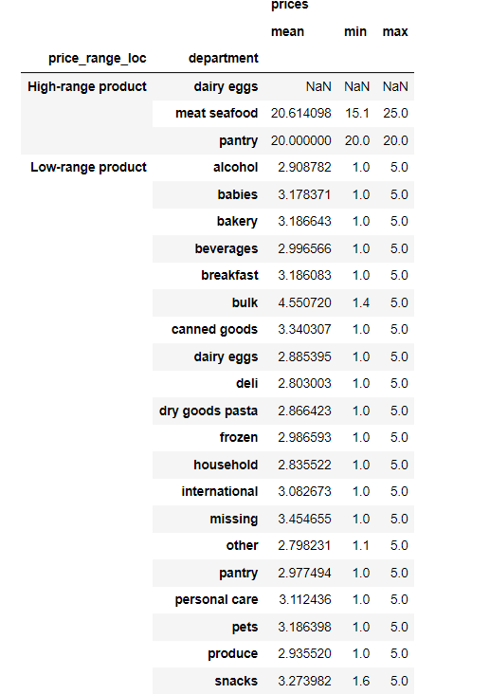

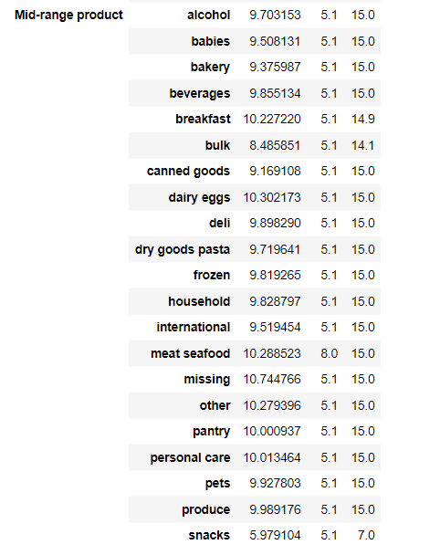
Price Grouping Conditions:
Low-range: <=5
Mid-range: >5 & <=15
High-range: >15

Question #4
Are there certain types of products that are more popular than others? The marketing and sales teams want to know which departments have the highest frequency of product orders.

Answer: Yes. Household staple items such as produce, dairy, eggs, and snacks have shown to be more popular than quite a few other departments.
 | The chart also shows that these more popular items are also purchased more during the 'Regular' time of day hours.

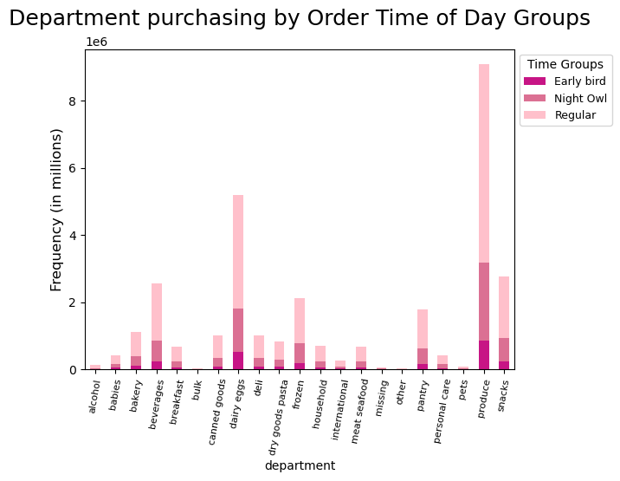

Question #5
The marketing and sales teams are particularly interested in the different types of customers in their system and how their ordering behaviors differ. For example:

Question 5.1
What’s the distribution among users in regards to their brand loyalty (i.e., howoften do they return to Instacart)?

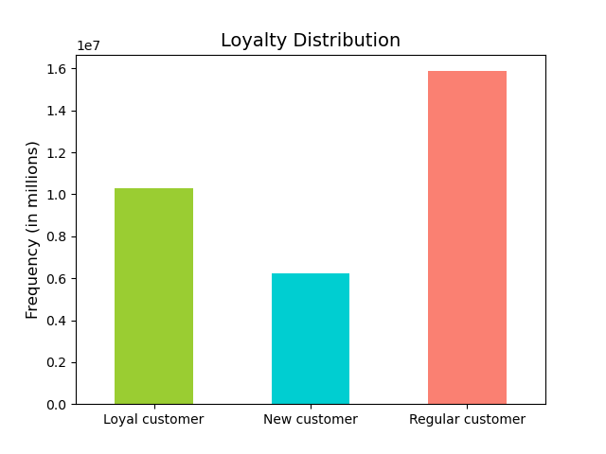
 | Answer: Customers were divided into 3 groups to determine their loyalty status. The groups are: 'New Customer', 'Regular Customer', and 'Loyal Customer.' Conditions for these groups can be seen below.
 |  | A large majority of the orders placed were by Regular Customers. Throughout each day of the week, Regular Customers continued to place the most orders, with Loyal Customers
 |  | placing the second highest, and New Customers being the least.
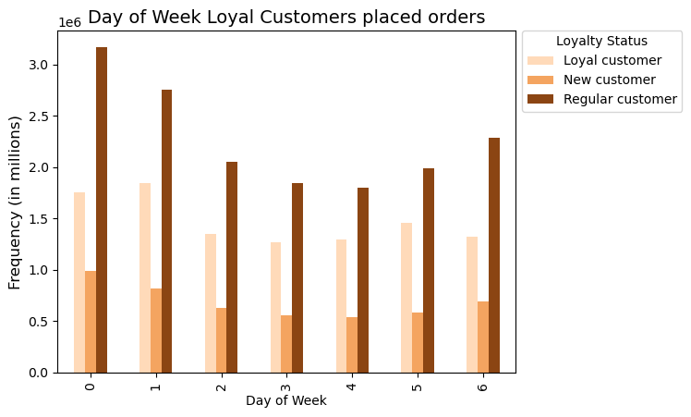
Loyalty Status Group Conditions:
New Customer: <=10
Regular Customer: >10 & <=40
Loyal Customer: >40

Question 5.2
Are there differences in ordering habits based on a customer’s loyalty status?

 | Answer: Loyal Customers tend to place orders more frequently and have less days (1-6 days) between their prior orders.
 |  | The day of the week that loyal customers place orders is quite evenly distributed. Regular customers tend to place their orders Friday, Saturday, and Sunday.

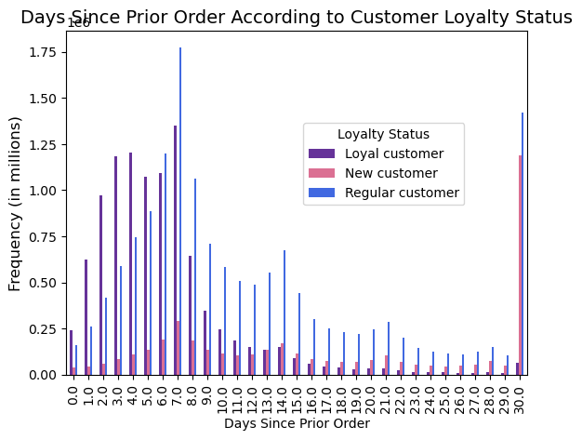

Question 5.3
Are there differences in ordering habits based on a customer’s region?

 | Answer: There does not appear to be much difference in ordering habits based on a customer's region. The South does have a higher population, so we see that rise in customer levels due to this.

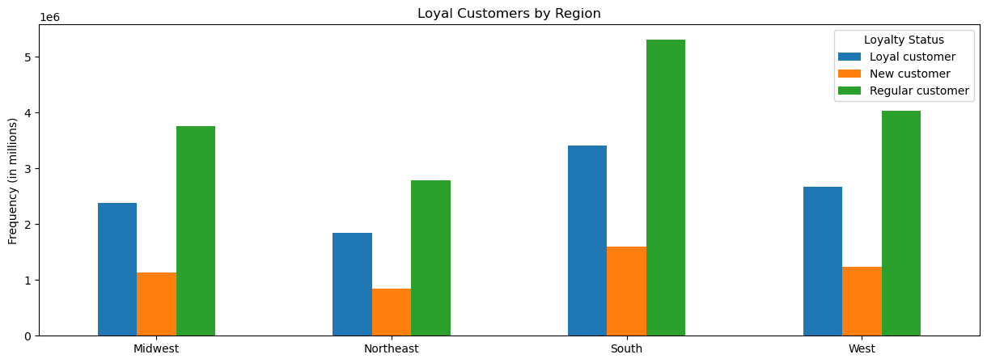

Question 5.4
Is there a connection between age and family status in terms of ordering habits?

 | Answer: As can be seen by the chart on the right, there is a higher number of households with more than 1 dependant (Couple w/Children),
 |  | so this group does have a larger number of orders placed and has the highest amount purchased within each department.
 |  | Within the chart on the left, it appears that Middle-Age individuals make more purchases each day of the week compared to both Seniors and Young Adults.

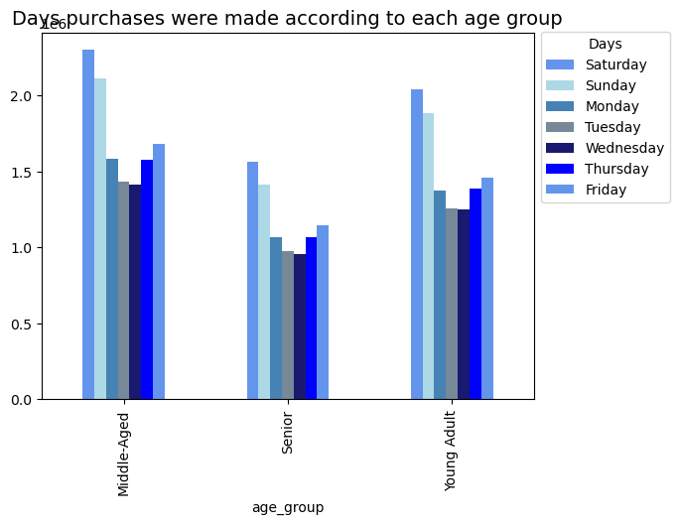
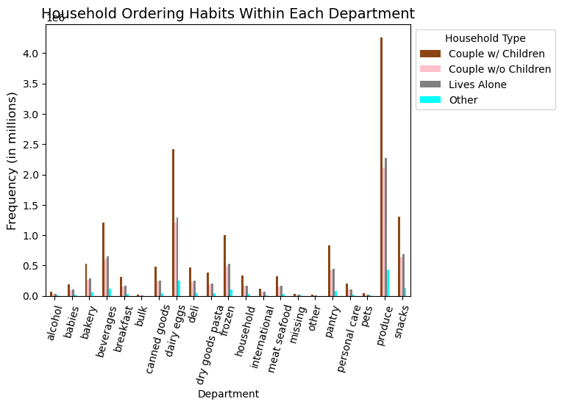

Question 5.5
What different classifications does the demographic information suggest? Age? Income? Certain types of goods? Family status?

 | Answer: Although age and the number of dependants do not have a clear correlation, we can see that age group does affect income level.
 |  | Young Adults make up a large portion of the lower income level, with a very small percentage within the upper income level.
 |  | Middle-Age individuals do have a higher amount of individuals within the upper income level compared to Seniors and Young Adults,
 |  | but overall, most individuals within all age groups are within the Middle income level.
 |  | The distribution of household statuses across all regions is fairly consistent, taking into account each region has different population numbers.


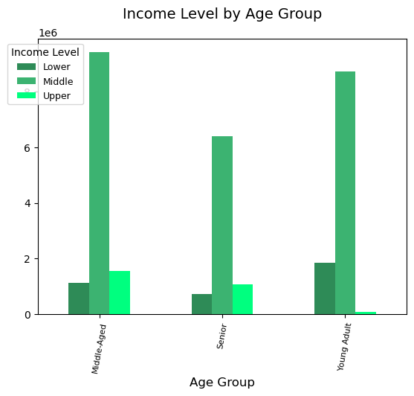
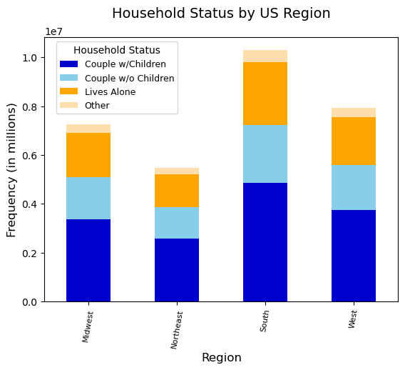

Question 5.6
What differences can you find in ordering habits of different customer profiles? Consider the price of orders, the frequency of orders, the products customers are ordering, and anything else you can think of.

 | Answer: We can see that 95% of customers have purchased only vegetarian items within an order at some time.
 |  | Most customers do not have a baby.
 |  | Most customers across all household types tend to shop during the busiest days or regular busy days.

7. Recommendations
 |  | Title page

Recommendations

In this tab you should include any recommendations you would made to Instcart in terms of their marketing strategy based on the questions posed in the brief. Every key question has been covered in the Tasks of the Exercises - here you need to add an item - a visualisation or table/crosstable that is showing the answer in the data, acompanied by a comment from you. Please, list the questions below and add the answer underneath.

Question | Answers & Recommendations

Key Question 1 The sales team needs to know what the busiest days of the week and hours of the day are (i.e., the days and times with the most orders) in order to schedule ads at times when there are fewer orders. | The busiest days of the week are Saturday, Sunday, and Friday with the busiest hours of the day being between 10am-3pm. After this time of day, the frequency of orders drops significantly throughout the night and into the early morning. Having the IC marketing team schedule promotions to run through the weekend and/or weekdays to be delivered right before these time periods would be ideal.

Key Question 2 They also want to know whether there are particular times of the day when people spend the most money, as this might inform the type of products they advertise at these times. | Customers tend to spend the most money during the regular hours of the day from 9am to 5pm, with a peak between 10am and 3pm. To better understand customer behavior, purchasing times were divided into 3 categories. They are as follows: Regular: 9:00-17:00 Night Owl: 18:00-5:00 Early Bird: 5:00-8:00. The individuals who placed an order during "Regular" hours make up a large majority of orders placed throughout the entire day.

Key Question 3 Instacart has a lot of products with different price tags. Marketing and sales want to use simpler price range groupings to help direct their efforts. | To make the products and their prices easier to sort and evaluate, they can be grouped into categories according to their price range. The three price ranges that the products have been grouped in are: 'Low-range': (< $5), 'Mid-range': (> $5 & < $15), and 'High-range': (> $15).

Key Question 4 Are there certain types of products that are more popular than others? The marketing and sales teams want to know which departments have the highest frequency of product orders. | Household staple items such as produce, dairy, eggs, and snacks have shown to be more popular than quite a few other departments, especially among households with children. These more popular items are also purchased more during the 'Regular' time of day hours. Instacart could look into promotions regarding similar items within popular departments, such as 'BOGO 1/2 off snack items' or 'Get 4 for the price of 3.'

Key Question 5.1 What’s the distribution among users in regards to their brand loyalty (i.e., howoften do they return to Instacart)? | Customers were divided into 3 groups to determine their loyalty status. The groups and conditions for these groups are as follows: 'New Customer': < = 10 orders 'Regular Customer': >10 & <=40 orders 'Loyal Customer': >40 orders A large majority of the orders placed were by Regular Customers. Throughout each day of the week, Regular Customers continued to place the most orders, with Loyal Customers placing the second highest, and New Customers being the least.

Key Question 5.2 Are there differences in ordering habits based on a customer’s loyalty status? | Loyal Customers tend to place orders more frequently and have less days (1-6 days) between their prior orders. The day of the week that loyal customers place orders is quite evenly distributed (although Saturday and Sunday are slightly higher). Regular customers tend to place their orders Friday, Saturday, and Sunday. Instacart could consider offering a " win back campaign" to customers who have recently placed an order where they offer a discount on their next order if purchased within a given time.

Key Question 5.3 What are the differences in order habits based on a customer's region? | There does not appear to be much difference in ordering habits based on a customer's region. The South does have a higher population, so we see that rise in customer levels due to this. Due to culture, availability, and heritage, different food types and eating habits between the regions vary, so offering food items to fulfill those habits and ways of life, along with recipes within the Instacart app for these foods can help to better promote them.

Key Question 5.4 Is there a connection between age and family status in terms of ordering habits? | There is a higher number of households with more than 1 dependant (Couple w/Children), so this group does have a larger number of orders placed and has the highest amount purchased within each department. Middle-Age individuals make more purchases each day of the week compared to both Seniors and Young Adults. Since a larger portion of the orders placed each week are by individuals with more than 1 dependant (Couple w/Children), it may be a good idea to offer coupons (such as $2 off) or promotions (10% off) items that households with children would need such as diapers, kid toothpaste, snacks, etc.

Key Question 5.5 What different classifications does the demographic information suggest? Age? Income? Certain types of goods? Family status? | Although age and the number of dependants do not have a clear correlation, we can see that age group does affect income level. Young Adults make up a large portion of the lower income level, with a very small percentage within the upper income level. Middle-Age individuals do have a higher amount of individuals within the upper income level compared to Seniors and Young Adults, but overall, most individuals within all age groups are within the Middle income level. The distribution of household statuses across all regions is fairly consistent, taking into account each region has different population numbers.

Key Question 5.6 What differences can you find in ordering habits of different customer profiles? Consider the price of orders, the frequency of orders, the products customers are ordering, and anything else you can think of. | ·We can see that 95% of customers have purchased only vegetarian items within an order at some time. ·Most customers do not have a baby, but there is a larger number of households with more than 1 dependant, which could possibly mean children. Although we do not have enough information to confirm for sure the multiple dependants are children. These households with more than 1 dependant place the most orders. ·Most customers across all household types tend to shop during the busiest days or regular busy days.

